Analysis
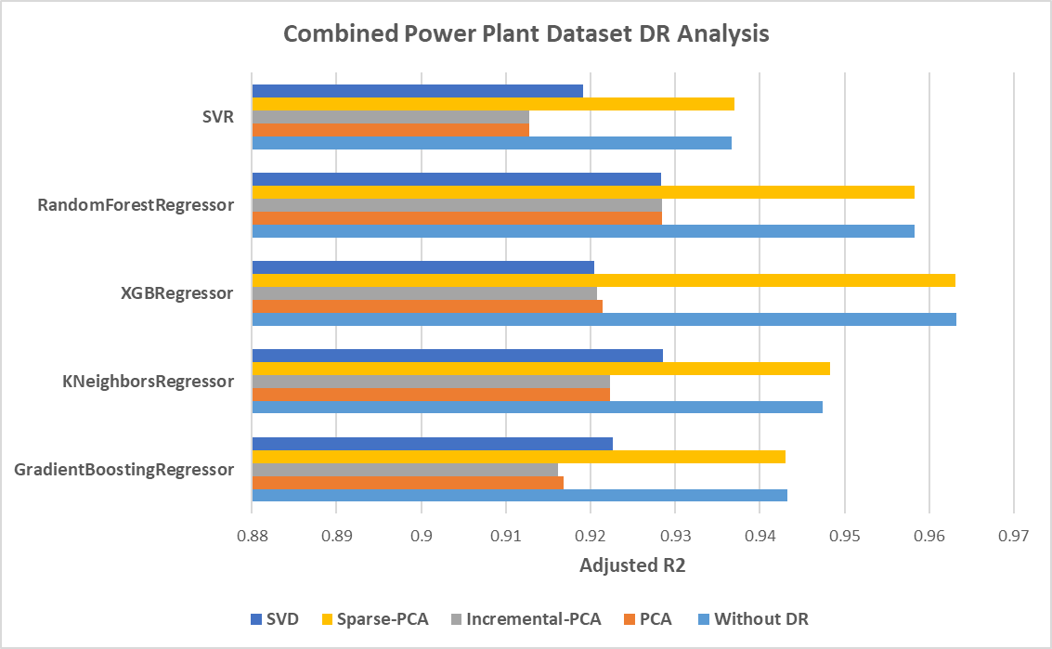
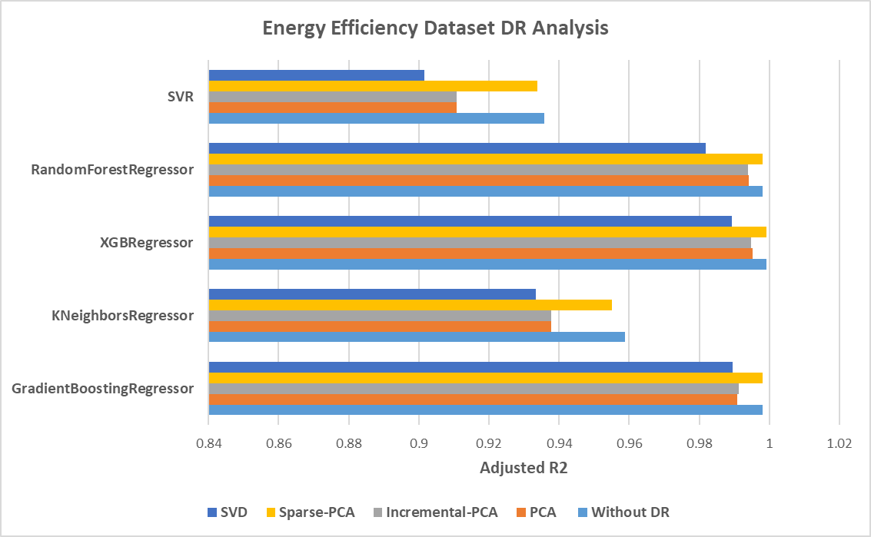
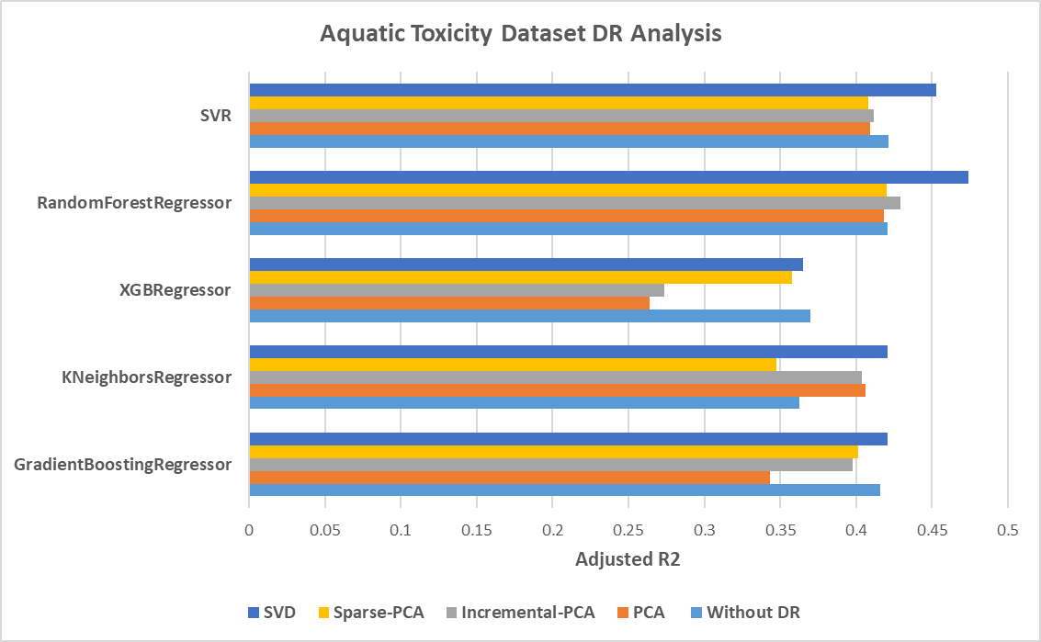
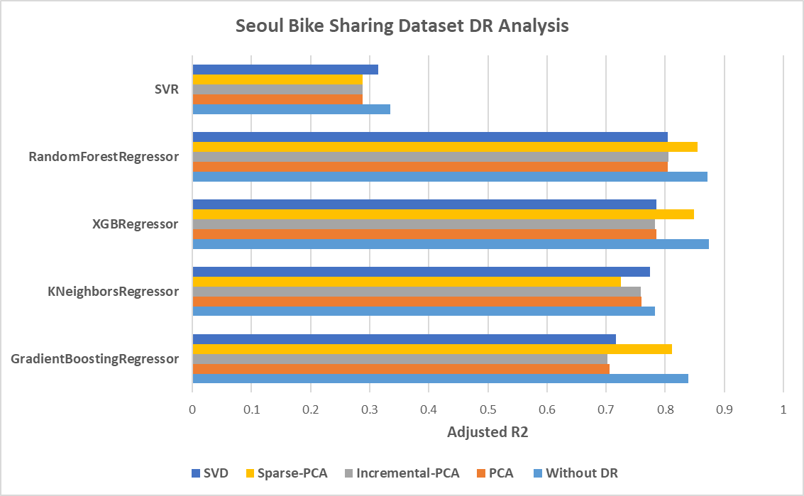
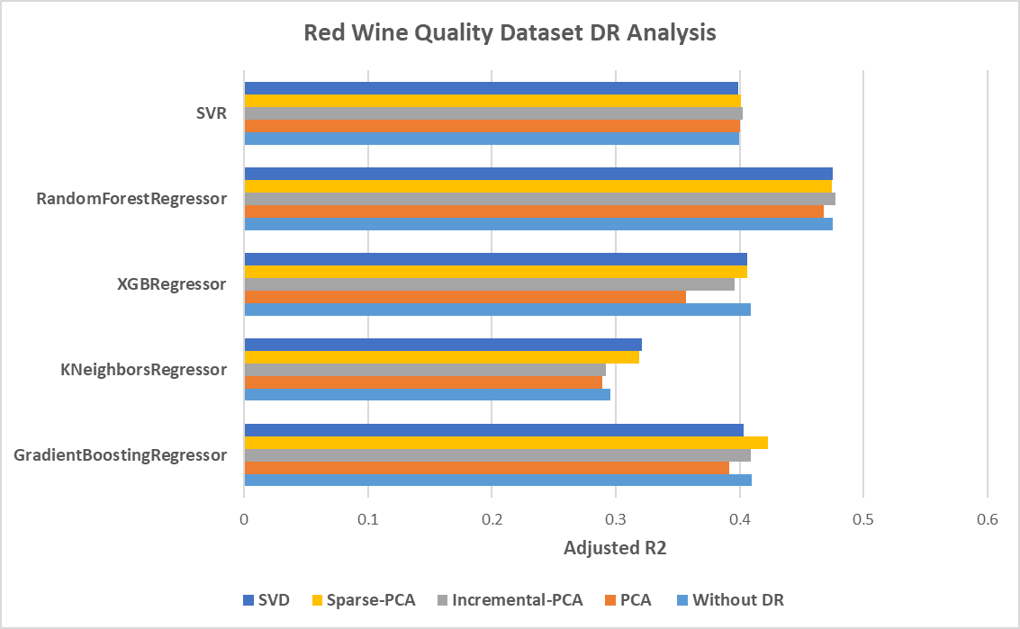
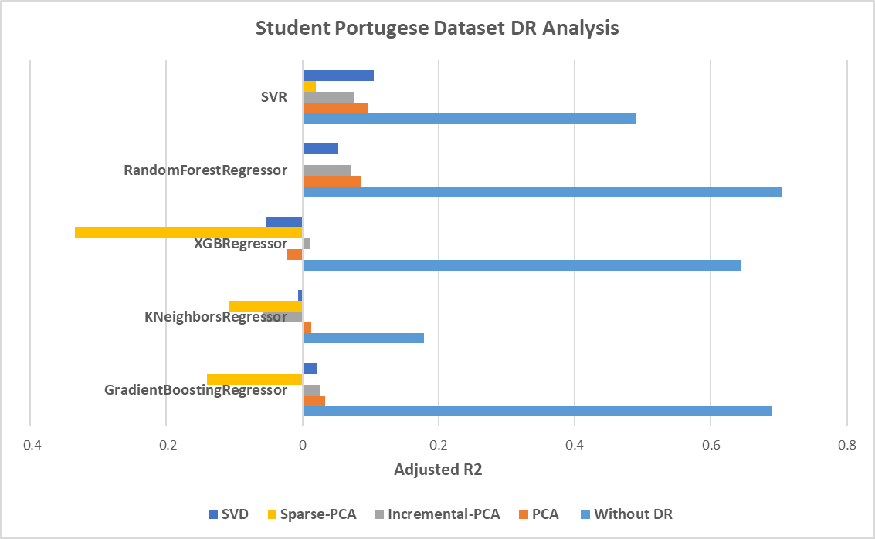
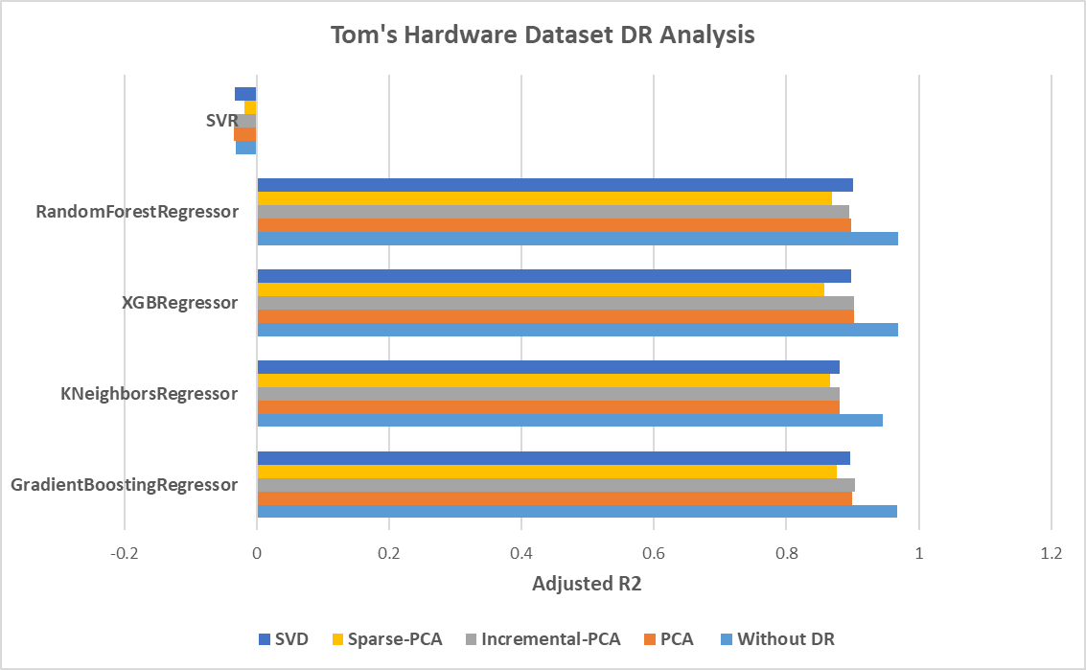
Dataset | Model | Without DR |  | PCA |  | Incremental-PCA |  | Sparse-PCA |  | SVD
Power Consumption Dataset |  | Adjusted R2 | dims | Adjusted R2 | dims | Adjusted R2 | dims | Adjusted R2 | dims | Adjusted R2 | dims
 | GradientBoostingRegressor | 0.9431985496 | 4 | 0.91678990115 | 3 | 0.91618158911 | 3 | 0.94305494652 | 10 | 0.92258863755 | 3
 | KNeighborsRegressor | 0.94739305022 | 4 | 0.92232081206 | 3 | 0.9222501774 | 3 | 0.94830298072 | 10 | 0.92853050017 | 3
 | XGBRegressor | 0.96315488148 | 4 | 0.92142804313 | 3 | 0.92074288731 | 3 | 0.96306993881 | 10 | 0.92043620392 | 3
 | RandomForestRegressor | 0.9582979616 | 4 | 0.92847728172 | 3 | 0.92840594936 | 3 | 0.95824233557 | 10 | 0.92828964423 | 3
 | SVR | 0.93670388548 | 4 | 0.91275038286 | 3 | 0.91273381972 | 3 | 0.93697322622 | 10 | 0.91913536501 | 3
Energy Efficiency Dataset | GradientBoostingRegressor | 0.9979856951 | 8 | 0.99085419197 | 5 | 0.99130697146 | 5 | 0.99796343759 | 10 | 0.98944320282 | 6
 | KNeighborsRegressor | 0.95882111285 | 8 | 0.93769046864 | 5 | 0.93770005337 | 5 | 0.95507360915 | 10 | 0.9334116308 | 6
 | XGBRegressor | 0.99911900306 | 8 | 0.99511917788 | 5 | 0.99482020263 | 5 | 0.99910085756 | 10 | 0.98929956142 | 6
 | RandomForestRegressor | 0.99801156639 | 8 | 0.99416736105 | 5 | 0.99390493055 | 5 | 0.99797783282 | 10 | 0.98191200975 | 6
 | SVR | 0.93586668272 | 8 | 0.91076966977 | 5 | 0.9107712794 | 5 | 0.93391848801 | 10 | 0.90147893764 | 6
Aquatic Toxicity Dataset | GradientBoostingRegressor | 0.41571905457 | 7 | 0.34336939788 | 5 | 0.39748146725 | 5 | 0.40128564342 | 10 | 0.42081686465 | 5
 | KNeighborsRegressor | 0.362878293 | 7 | 0.40655114486 | 5 | 0.40366310916 | 5 | 0.34770872855 | 10 | 0.4205248895 | 5
 | XGBRegressor | 0.37003944473 | 7 | 0.26397538129 | 5 | 0.27345772794 | 5 | 0.35783882898 | 10 | 0.36490492935 | 5
 | RandomForestRegressor | 0.42060106969 | 7 | 0.4182990505 | 5 | 0.42897355869 | 5 | 0.42013974024 | 10 | 0.47398327298 | 5
 | SVR | 0.42167257837 | 7 | 0.40930707255 | 5 | 0.41198210853 | 5 | 0.40790287786 | 10 | 0.45285541945 | 5
Seoul Bike Sharing Dataset | GradientBoostingRegressor | 0.8391844314 | 17 | 0.70538341132 | 8 | 0.70207966147 | 8 | 0.81114633512 | 10 | 0.71625010857 | 9
 | KNeighborsRegressor | 0.78331350456 | 17 | 0.75978566571 | 8 | 0.75905445106 | 8 | 0.72500082685 | 10 | 0.77388223577 | 9
 | XGBRegressor | 0.87456751982 | 17 | 0.78557443475 | 8 | 0.78282085668 | 8 | 0.84854068097 | 10 | 0.7852945402 | 9
 | RandomForestRegressor | 0.8715475035 | 17 | 0.80493169027 | 8 | 0.80534976277 | 8 | 0.85477052372 | 10 | 0.80487251921 | 9
 | SVR | 0.33432628034 | 17 | 0.28796975927 | 8 | 0.2879117296 | 8 | 0.28761928856 | 10 | 0.31385221678 | 9
Red Wine Quality Dataset | GradientBoostingRegressor | 0.40944274323 | 11 | 0.39170351547 | 8 | 0.40900036593 | 8 | 0.42270597357 | 10 | 0.40336208658 | 8
 | KNeighborsRegressor | 0.2956696569 | 11 | 0.2892435589 | 8 | 0.29224053458 | 8 | 0.31888405785 | 10 | 0.32142161349 | 8
 | XGBRegressor | 0.40904381554 | 11 | 0.35676490621 | 8 | 0.39602264249 | 8 | 0.40645560615 | 10 | 0.40575431476 | 8
 | RandomForestRegressor | 0.47480219494 | 11 | 0.46814604999 | 8 | 0.47765908171 | 8 | 0.47451889208 | 10 | 0.47500991295 | 8
 | SVR | 0.39948038754 | 11 | 0.40037432481 | 8 | 0.40243553898 | 8 | 0.40120082411 | 10 | 0.39883414081 | 8
Student Portugese Dataset | GradientBoostingRegressor | 0.68887708313 | 58 | 0.033505053326 | 29 | 0.025935755628 | 29 | -0.13994392282 | 10 | 0.020641815794 | 29
 | KNeighborsRegressor | 0.17906295327 | 58 | 0.012807689718 | 29 | -0.058887218045 | 29 | -0.1078933785 | 10 | -0.0067403967625 | 29
 | XGBRegressor | 0.64322709471 | 58 | -0.023728993903 | 29 | 0.010265273659 | 29 | -0.3338962812 | 10 | -0.052918927432 | 29
 | RandomForestRegressor | 0.70327271457 | 58 | 0.086984102968 | 29 | 0.070743575028 | 29 | 0.0030797170268 | 10 | 0.052333864811 | 29
 | SVR | 0.48918459012 | 58 | 0.096373670268 | 29 | 0.076956014743 | 29 | 0.020220998326 | 10 | 0.10492559004 | 29
Tom's Hardware Dataset | GradientBoostingRegressor | 0.96678639796 | 96 | 0.89955272916 | 18 | 0.90421549615 | 18 | 0.87541230278 | 10 | 0.89668313519 | 18
 | KNeighborsRegressor | 0.94585963846 | 96 | 0.88012826082 | 18 | 0.88030411884 | 18 | 0.86620439733 | 10 | 0.87975661371 | 18
 | XGBRegressor | 0.96858869116 | 96 | 0.90219371073 | 18 | 0.90251721862 | 18 | 0.85655039679 | 10 | 0.89795681 | 18
 | RandomForestRegressor | 0.96838237867 | 96 | 0.89834195562 | 18 | 0.89555318618 | 18 | 0.8693717774 | 10 | 0.9004685882 | 18
 | SVR | -0.031669410956 | 96 | -0.034564682423 | 18 | -0.034571196028 | 18 | -0.018485085904 | 10 | -0.033398436093 | 18

